Ticket Data
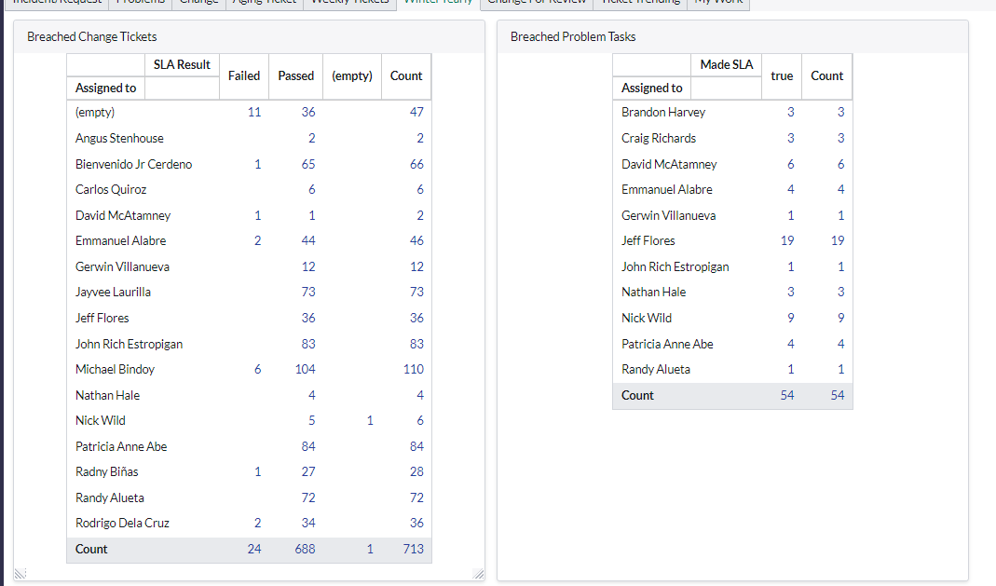
needs to do better | doing well | donig very well
2 | 3 | 4
Randy | Mike | John
Jayvee | Rodrigo | Patricia
 | Sam | Bien
 | Gerwin

